Sheet1
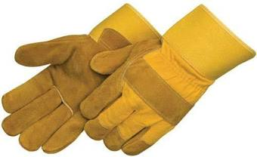
Zaxmon provides vast range of industrial safety equipment and protective gears like masks, safety shoes, coveralls, spectacles, helmet, vest, harness etc. Our state of the art technology made safety equipment a remarkable demand among clients for being best in quality and offering complete satisfaction to customers.

Fire Fighting Equipments

Fire Pumps & Controlers

Detectors & Instruments

CCTV Solutions

